Tasks 2,3,4
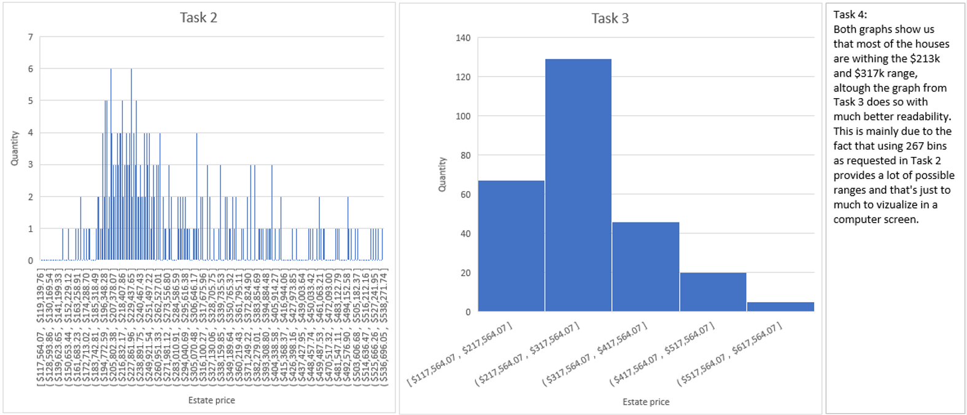
365 DataScience RE California Database
Histograms. Graphing numerical data

Excel crashed but I still had the picture
Task 2: Create a frequency distribution graph representing the price (that is a histogram with the highest possible number of bins - 267). Use data on all apartments and offices, no matter if sold or not.
Task 3: Create a histogram which represents the Price variable. Choose interval width (bins) of length $100,000. If you don't know how to do that, refer to the Course notes on descriptive statistics provided with the first lecture in this section.
Use the data on all properties, no matter if sold or not.
Task 4: Interpret the results.

Task 5
365 DataScience RE California Database
Scatter plot. Plotting numerical data; establishing relationship between variables.

Task 5: Create a scatter plot showing the relationship between Price and Area. Use the data on all properties, no matter if sold or not. Interpret the results.

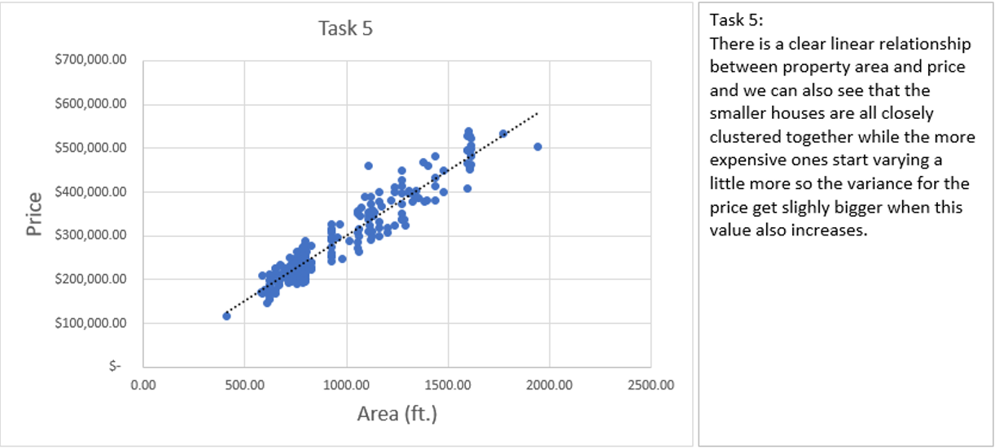

Excel crashed but I still had the picture

Tasks 8,9
365 DataScience RE California Database
Measures of central tendency, asymmetry and variability

Task 8: Calculate the mean, median, mode, skewness, variance and standard deviation of Price for all properties, no matter if sold or not.
Task 9: Interpret the measures.
Task 9:
We can see that the mean and median are very close so that probably means that the house values are balanced, the mode does not tell us much here.
Positive skewness means that the values are majorly located on the left side which is the cheapest side, that means there are more cheap houses compared to expensive ones.
The variance doesn't say much but the standard deviation does, and it says that the house values don't have very extreme variations as we can see since it is about 1/3 of the mean and mode.
Task 8 | Price
Mean | $281,171.90
Median | $249,075.66
Mode | $460,001.26
Skewness | 1.10
Variance | $7,912,471,567.21
Standard deviation | $88,952.07

Task 10
365 DataScience RE California Database
Measures of relationship between variables

Task 10: Calculate the covariance and correlation coefficient between Price and Area, no matter if the property is sold or not. Is the result in line with the scatter plot?

 | Mean | STD
Price | $281,171.90 | $88,952.07 | Covariance | 24057280.82
Area (ft.) | 936.22 | 284.36100382 | Correlation coeff. | 0.95
The two variables are highly correlated as we see by the correlation coefficient and is in line with the scatter plot.

